ORC Terms & Conditions
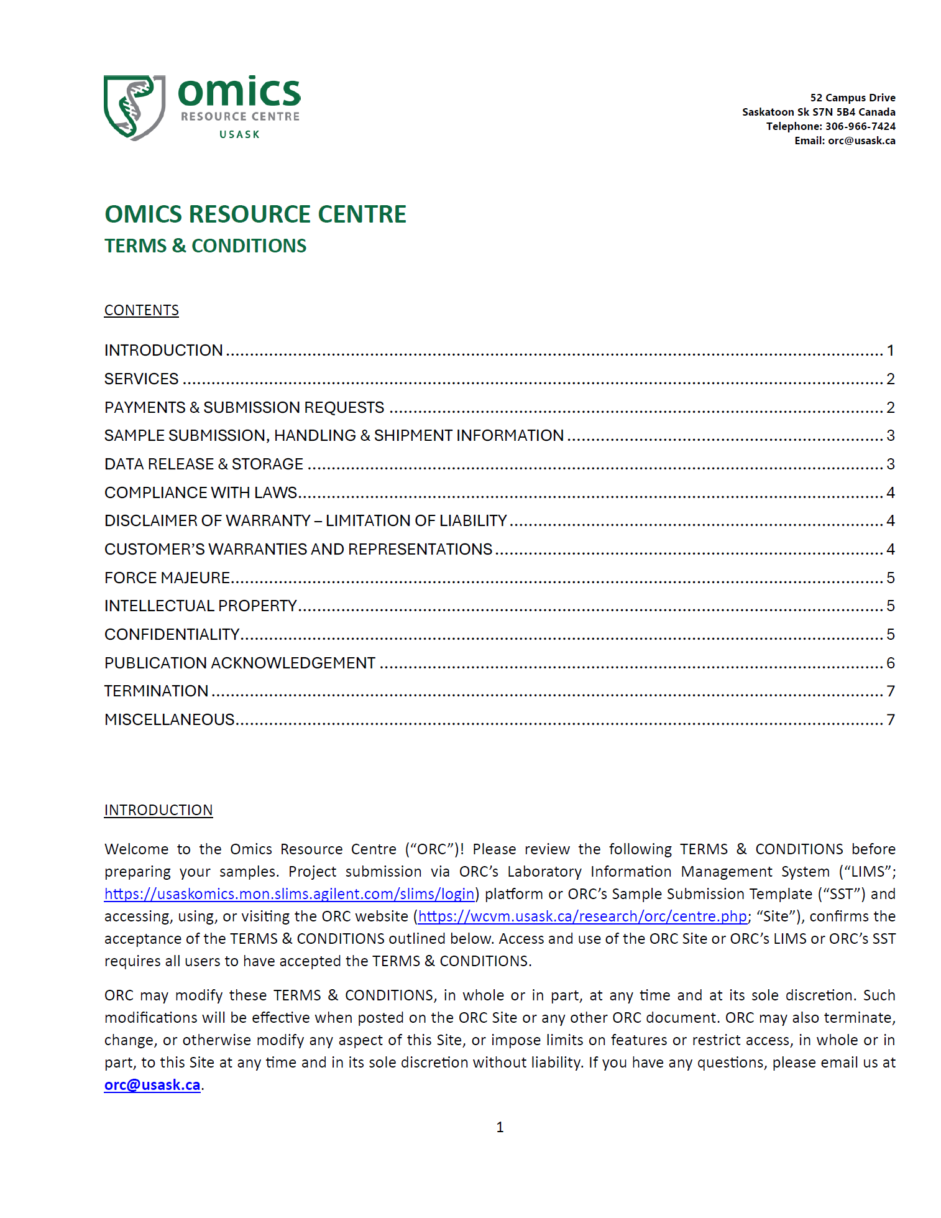

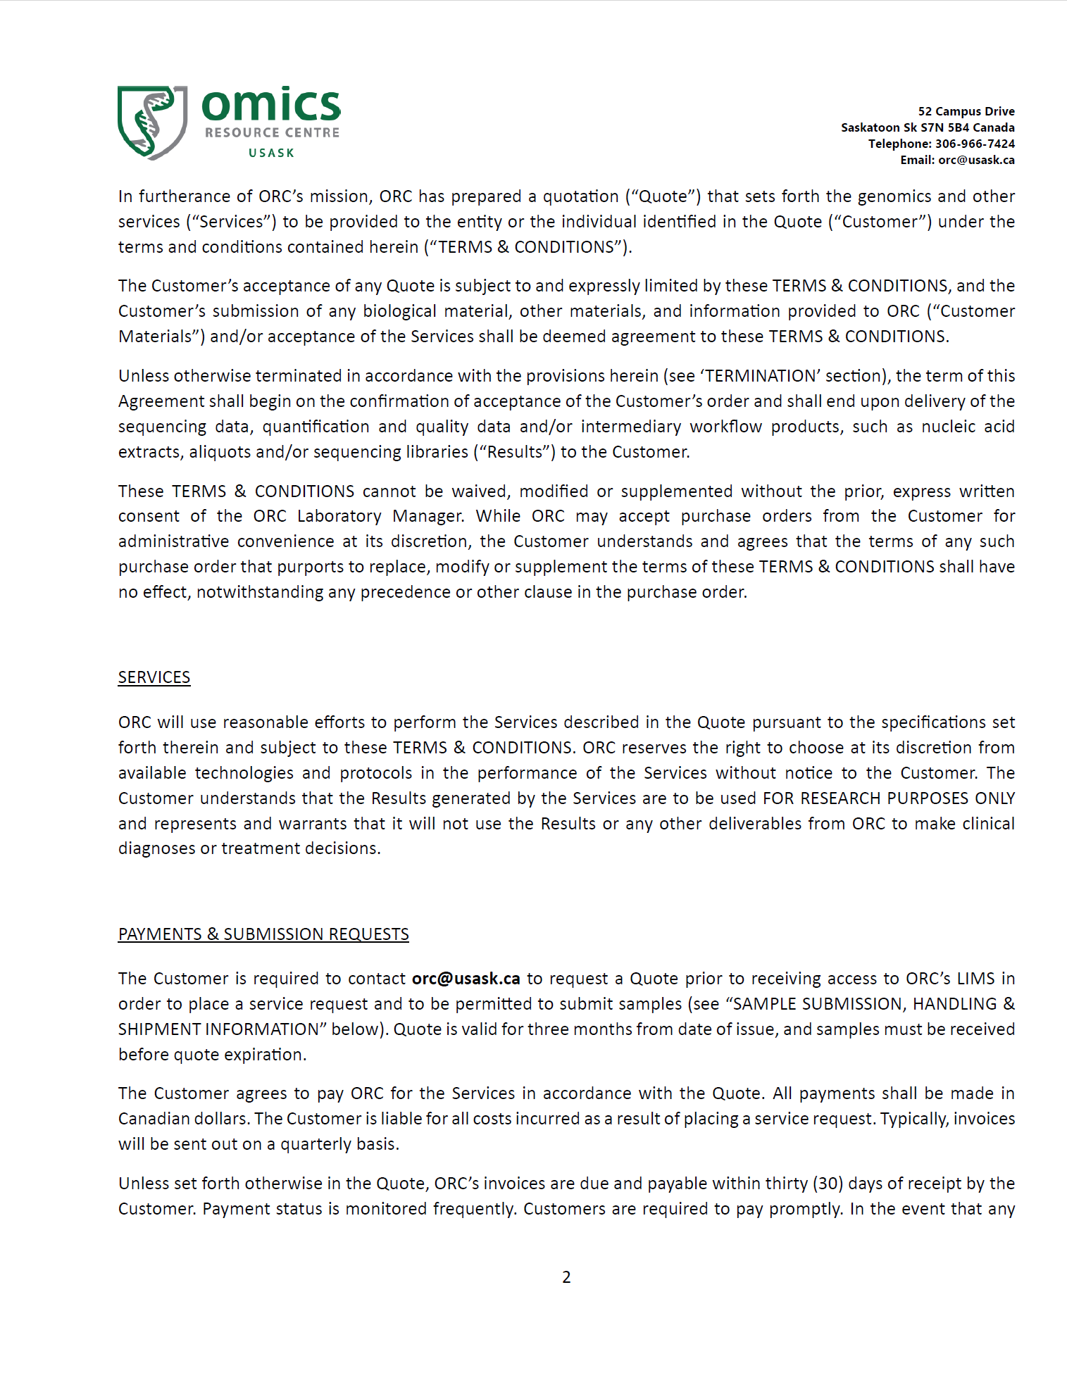

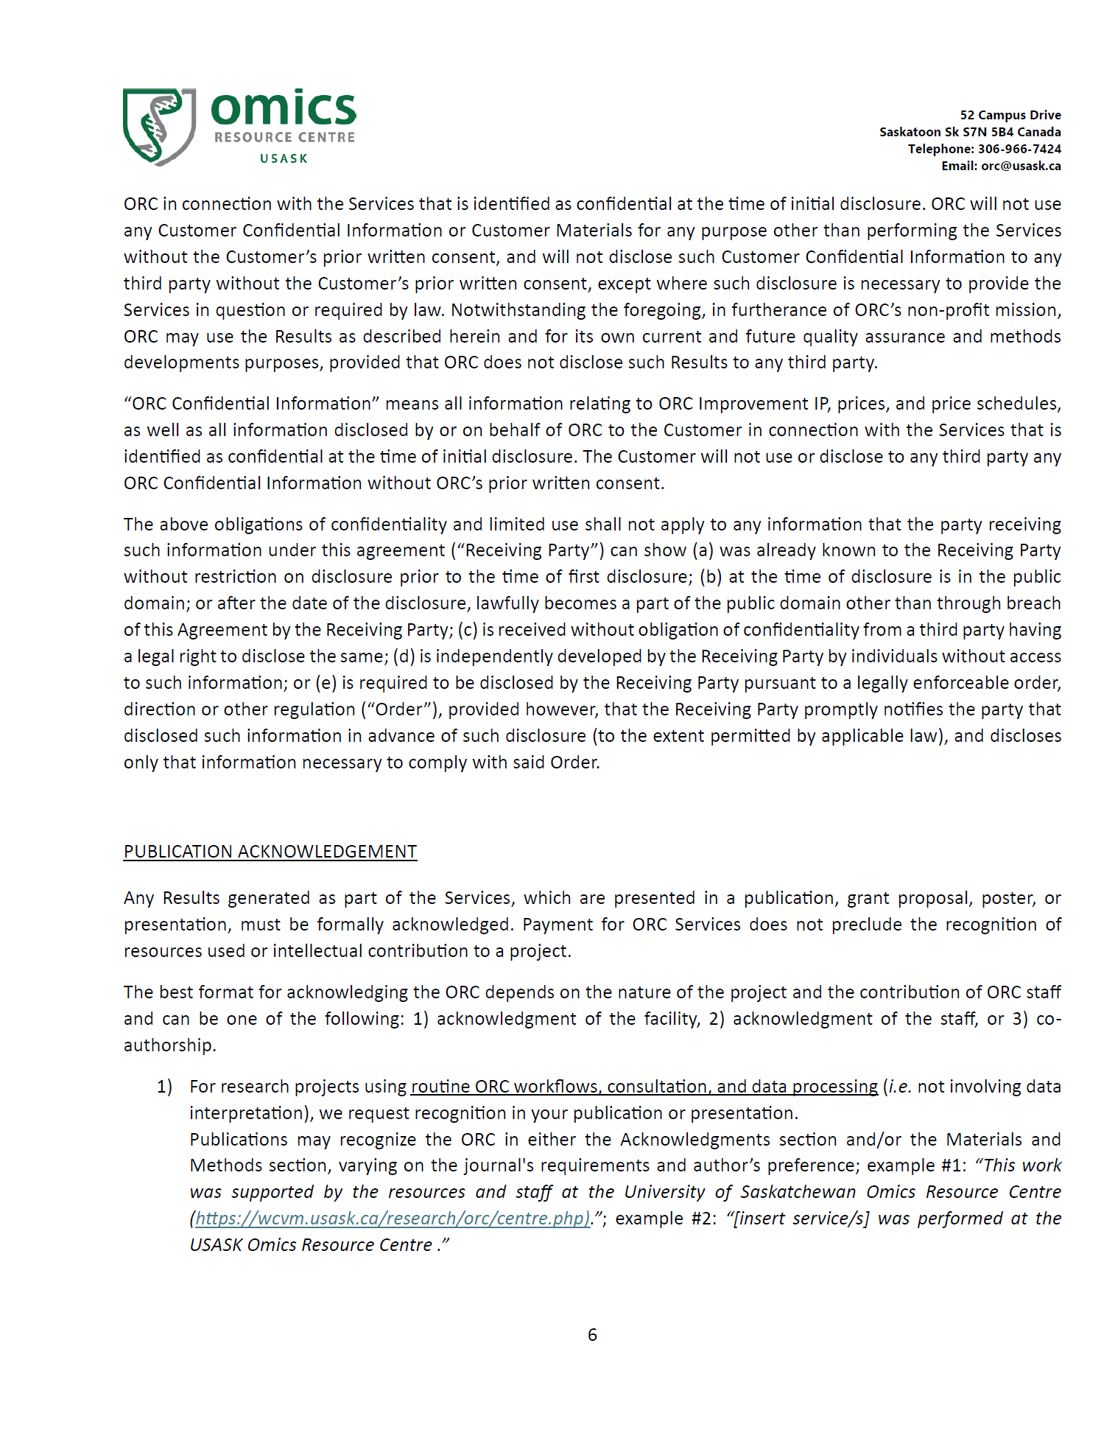

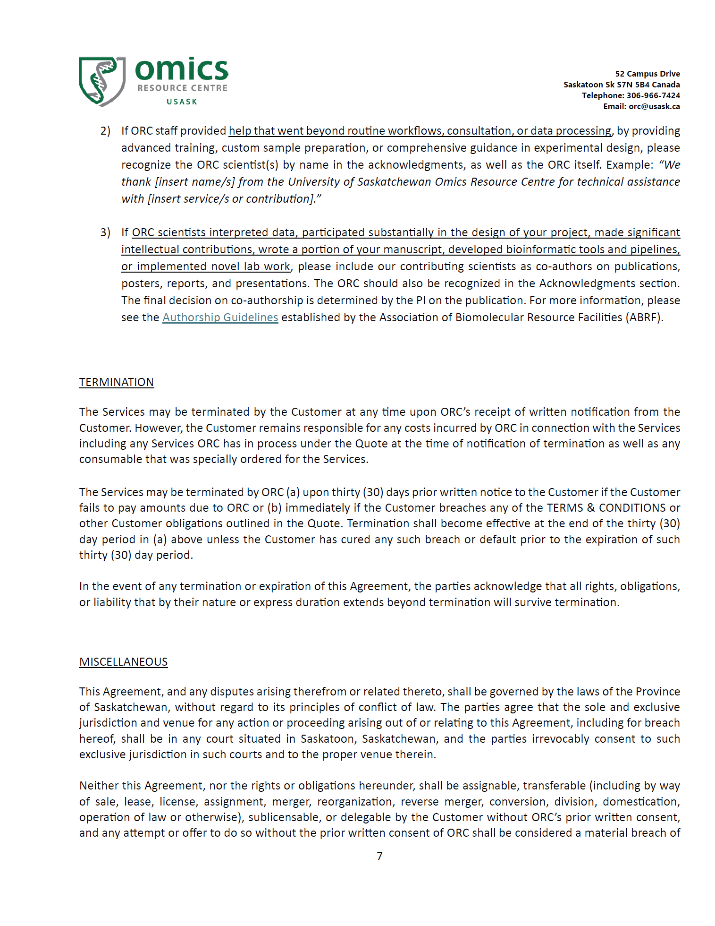

QC Information
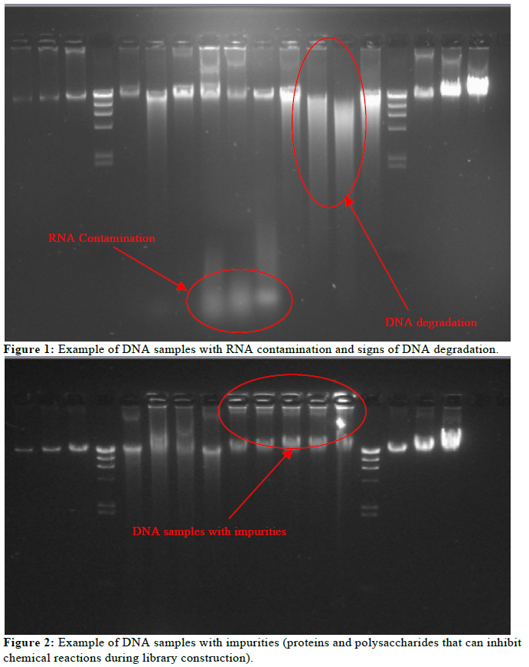
gDNA, plasmids, PCR products, cDNA, total RNA, mRNA, small RNA
- agarose gel image | required
- Absorbance measurement | required
260/280 : ~ 1.8 | required
260/230: 2.0-2.2 | required
- Bioanalyzer/ tapestation traces | optional

total RNA, mRNA, small RNA
- agarose gel image | required
- Absorbance measurement | required
260/280 : ~ 2.0 | required
260/230: 2.0-2.2 | required
- BA/ tapestation traces | required

Please make sure your samples are free of common contaminants that may interfer with downstream chemistry, such as:
- phenols, ethanol, EDTA, GTC, G-HCL

Please read: https://www.thermofisher.com/ca/en/home/references/ambion-tech-support/rna-isolation/tech-notes/assessing-rna-quality.html

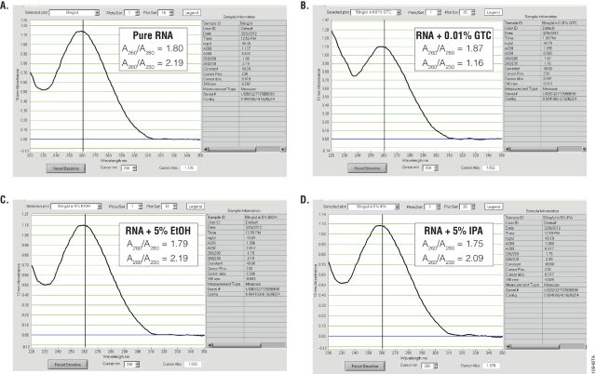 |  | Figure 1. Examples of NanoDrop® spectrophotometer data of RNA with various contaminants. Panel A. Pure RNA sample. Panel B. RNA sample with 0.01% (v/v) guanidine thiocyanate-containing buffer (GTC), resulting in reduced purity as determined by the A260/A230 ratio. Panel C. RNA with 5% ethanol (EtOH) contamination, with little effect on absorbance. Panel D. RNA with 5% isopropanol (IPA) contamination, with little effect on absorbance. | Ultraviolet (UV) absorbance can be used to measure DNA, RNA or protein concentration. For nucleic acids, the three main wavelengths of interest are 260nm, 280nm and 230nm. Absorbance at 260nm is used to measure the amount of nucleic acid present in the sample. Concentration can be calculated using the 260nm reading and a conversion factor based on the extinction coefficient for each nucleic acid (A260 of 1.0 = 50µg/ml double-stranded DNA, 40µg/ml for RNA and 33µg/ml for single-stranded DNA). Aromatic amino acids absorb light at 280nm, so absorbance measurements at that wavelength are used to estimate the amount of protein in the sample. Measurements at 230nm are used to determine the amount of other contaminants that may be present in the samples, such as guanidine thiocyanate—common in nucleic acid purification kits (Figure 1). In addition, an absorbance reading at 320nm can be taken to detect any light-scattering components in the sample. The 320nm reading is subtracted from the 260nm, 280nm and 230nm values as background.
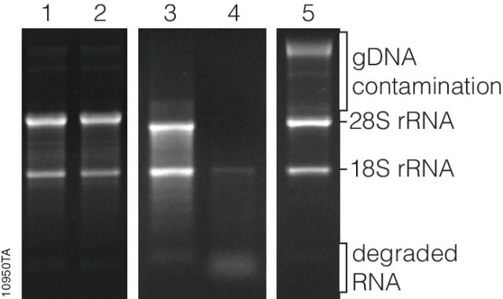
 |  | Figure 10950TA: RNA analysis by agarose gel electrophoresis. The 28S and 18S rRNA bands are indicated. Lanes 1 and 2 are examples of intact RNA with a 28S:18S rRNA ratio of approximately 2:1. Lane 3 is an example of degraded RNA with RNA smearing below the 28S and 18S rRNA bands. Lane 4 is an example of RNA degradation resulting in the loss of the 28S rRNA band and an accumulation of degraded RNA near the bottom of the gel. Lane 5 is an example of RNA with significant genomic DNA (gDNA) contamination. | Agarose and Acrylamide Gel Electrophoresis One of the most common methods of DNA and RNA analysis is agarose or acrylamide gel electrophoresis. Samples are loaded into precast gels, and as an electrical current is passed through the gel, nucleic acid fragments are separated on the basis of size. Larger fragments move more slowly through the gel matrix, while smaller fragments move more quickly. The gels containing the separated fragments are stained with a fluorescent dye that bind nucleic acids, such as ethidium bromide, SYBR® Green or SYBR® Gold but are not specific to RNA. The separated fragments then can be visualized by excitation of the fluorescent dye bound to the nucleic acid. RNA concentration can be qualitatively measured by comparing the relative fluorescence intensity of the RNA bands to that of known RNA standards, or quantitatively by sophisticated equipment that uses software to analyze an image of the gel, known as gel densitometry. General information about RNA integrity can be obtained by observing the staining intensity of the major ribosomal RNA (rRNA) bands and any degradation products. For mammalian rRNA, a 28S:18S rRNA ratio of 2:1 is generally representative of good-quality RNA. Genomic DNA contamination of RNA samples can be visualized in the sample, as genomic DNA typically runs much slower through the gel matrix than RNA (Figure 3). While the cost of analyzing RNA by gel electrophoresis is relatively low, analysis requires a significant amount of handling and hands-on time. Typically, at least a few nanograms of RNA are required for visualization, although the minimum mass that can be detected will vary by stain. Compared to the sensitivity of ethidium bromide staining, the sensitivities of SYBR® Green II and SYBR® Gold dyes in a denaturing agarose gel have been shown to be 2.4X and 7.9X, respectively (1) . Finally, since these fluorescent stains bind to nucleic acids, they are potential carcinogens. Great care must be taken while handling

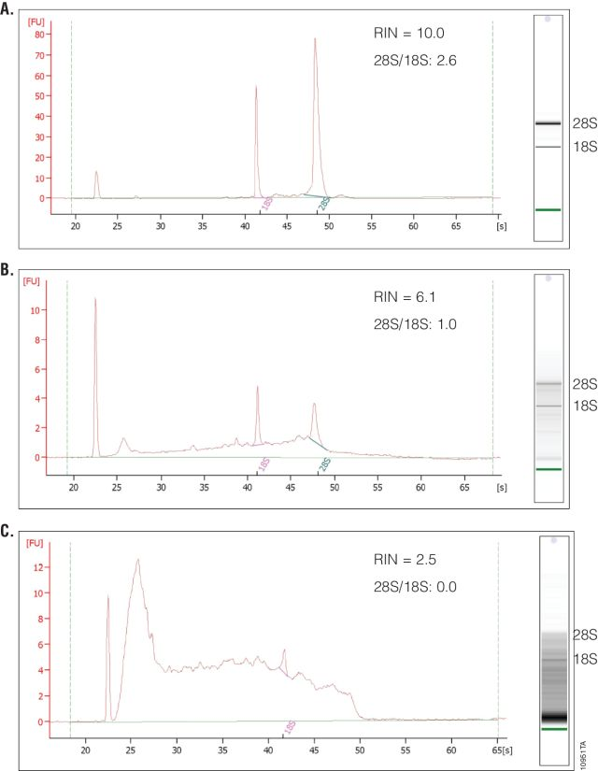 |  | Figure 10951TA: Example of Bioanalyzer RNA integrity number assessment (RIN score). Panel A. RNA isolated from HEK293 cells showing high integrity with RIN = 10. Panel B. RNA isolated from mouse heart tissue showing moderate integrity with RIN = 6.1. Panel C. RNA isolated from HEK293 cells showing very low integrity with RIN = 2.5. The 28S/18S rRNA ratios are given. Gel images from the 2100 Bioanalyzer are shown at the right with the 28S and 18S rRNA bands indicated. | 2100 Bioanalyzer The 2100 Bioanalyzer (Agilent Technologies) uses microfluidics to analyze DNA, RNA, protein and cells using sample-specific chips. This system is essentially a miniaturized version of agarose and acrylamide gels used to separate nucleic acid and proteins for analysis. Samples are combined with a fluorescent dye and injected into wells in the chip. The samples move through a gel matrix in the microchannels and are separated by electrophoresis. The samples then are detected by fluorescence, and electropherograms and gel-like images are created by the data analysis software for sizing and quantification. Only 1µl of sample is required, 11–12 samples can be run on the same chip, and analysis is complete in 30–40 minutes. The 2100 Bioanalyzer uses kits that are specific for the samples of interest. For dsDNA analysis, kits are available for dsDNA ranging from 25bp to 12,000bp in length and for low-concentration samples. For RNA analysis, kits are available for small RNA and microRNAs (Small RNA Kit) as well as total RNA and mRNAs in the range of 5–500ng/µl (RNA 6000 Nano Kit) and 50–5,000pg/µl (RNA 6000 Pico Kit) . What separates the 2100 Bioanalyzer from other RNA analysis methods is the ability to measure RNA integrity, which is displayed as the RNA Integrity Number (RIN). To determine the RIN, the instrument software uses an algorithm that takes into account the entire electrophoretic trace of the RNA, not just the ratio of 28S and 18S rRNAs. The RIN scale ranges from 0 to 10, with 10 indicating maximum RNA integrity. The ratio of 28S and 18S rRNA peaks also is given. As RNA degradation becomes more apparent, peak heights for the 28S and 18S rRNA peaks decrease, while smaller or degraded RNA peaks become more prominent. The 28S and 18S peaks will hardly be visible in RNA samples with significant degradation (Figure 4). The software also estimates RNA concentration by comparing peak areas of a ladder with RNA fragments of known concentration and peak a

Source: https://www.promega.ca/resources/pubhub/methods-of-rna-quality-assessment/

